FairWallet Solver
 | Delta |  |  |  |  | Final Matrix |  |  |  |  |  |  | Input Matrix
Wallet | $1 | $5 | $10 | $20 | Wallet | $1 | $5 | $10 | $20 |  |  | Wallet | $1 | $5 | $10 | $20
1 | 1 | 2 | 4 | -5 | 1 | 6 | 7 | 9 | 0 |  |  | 1 | 5 | 5 | 5 | 5
2 | -3 | -3 | -5 | -5 | 2 | 2 | 2 | 0 | 0 |  |  | 2 | 5 | 5 | 5 | 5
3 | -5 | 1 | -1 | 4 | 3 | 0 | 6 | 4 | 9 |  |  | 3 | 5 | 5 | 5 | 5
4 | -4 | 0 | 1 | 3 | 4 | 1 | 5 | 6 | 8 |  |  | 4 | 5 | 5 | 5 | 5
5 | 11 | 0 | 1 | 3 | 5 | 16 | 5 | 6 | 8 |  |  | 5 | 5 | 5 | 5 | 5

 |  |  |  |  |  | $1 | $5 | $10 | $20 |  |  |  | $1 | $5 | $10 | $20 |  |  | + = owe
 |  |  |  |  | Total Bills # | 25 | 25 | 25 | 25 |  |  | Total Bill # | 25 | 25 | 25 | 25 | Unique Results: |  | - = needs money
 |  |  |  |  |  |  |  |  |  |  |  |  | 23751 | 23751 | 23751 | 23751 | 318220093228220000

 |  |  |  |  | Wallet | $1 | $5 | $10 | $20 | Total Value | Debt | Wallet | $1 | $5 | $10 | $20 | Total Value | Debt
 |  |  |  |  | 1 | 6 | 35 | 90 | 0 | 131 | -4 | 1 | 5 | 25 | 50 | 100 | 180 | 45
 |  |  |  |  | 2 | 2 | 10 | 0 | 0 | 12 | 0 | 2 | 5 | 25 | 50 | 100 | 180 | 168
 |  |  |  |  | 3 | 0 | 30 | 40 | 180 | 250 | -19 | 3 | 5 | 25 | 50 | 100 | 180 | -89
 |  |  |  |  | 4 | 1 | 25 | 60 | 160 | 246 | -22 | 4 | 5 | 25 | 50 | 100 | 180 | -88
 |  |  |  |  | 5 | 16 | 25 | 60 | 160 | 261 | -6 | 5 | 5 | 25 | 50 | 100 | 180 | -87
 |  |  |  |  |  |  |  |  | Totals | 900 | 51 |  |  |  |  | Totals | 900 | 477

 |  |  |  |  | Denomination Value | $1 | $5 | $10 | $20
 |  |  |  |  |  | 1 | 5 | 10 | 20
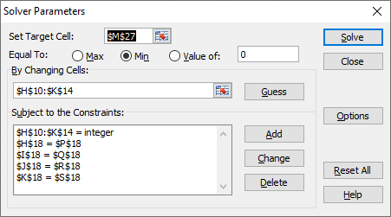

 |  |  |  |  |  |  |  |  | Use Solver | ->
 |  |  |  |  |  |  |  |  | Under Data Tab

